Challenge
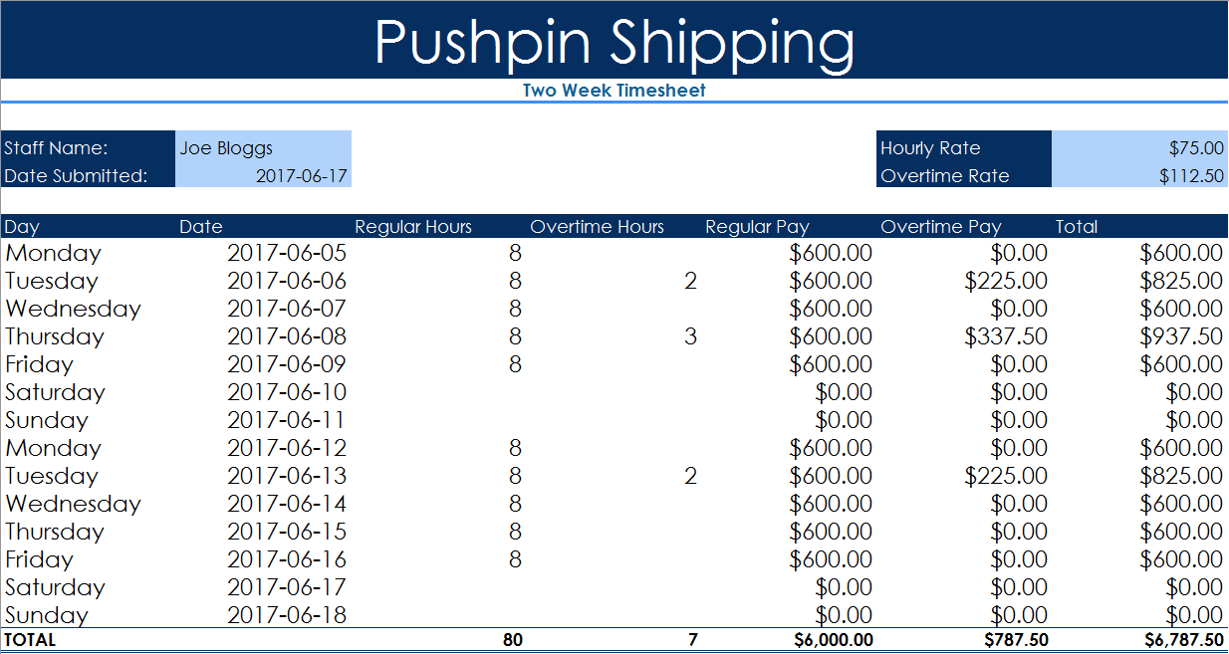
INSTRUCTIONS
* Enter your name in B4 and the current date in B5
* Overtime Rate is 50% more than Hourly rate, put a calculation in G5 to calculate Overtime Rate
* Enter the most recent Monday's Date in B8
* Use the fill handle to copy Day, Date and Regular Hours values down to row 21.
* Delete Regular Hours values for weekend dates
* In E8 enter a formula to multiply the Regular Hours by the Hourly Rate (think absolute cell ref!)
* In F8 enter a formula to multiply the Overtime Hours by the Overtime Rate
* In G8 add Regular Pay to Overtime Pay
* Use the fill handle to copy all three calculations down to row 21
* Add the totals for each column in cells D22 to G22
* Merge and Center cells A1:G1, apply the Style Accent 1 and increase the Font size to 36
* Merge and Center cells A2:G2, apply the Style Heading 4
* Apply the Style Accent 1 to cells A4:A5, F4:F5 and A7:G7 (try using Format Painter)
* Apply the Style 20% Accent 1 to cells B4:B5 and G4:G5
* Apply the Total Style to A22:G22
* Format all the monetary values as Currency
* Change the Theme to Slice (or any other of your choosing)
* Add any personal touches (e.g. You may want to go to the View Tab and untick Gridlines)
* Delete this box, Save your Workbook and Congratulate yourself!
Pushpin Shipping
Two Week Timesheet

Staff Name: | Ismail Hilmi Ozcelik |  |  |  | Hourly Rate | 75
Date Submitted: | 17/09/2025 |  |  |  | Overtime Rate | 112.5

Day | Date | Regular Hours | Overtime Hours | Regular Pay | Overtime Pay | Total
Monday | 2025-09-15 | 8 |  | $600.00 | $0.00 | $600.00
Tuesday | 2025-09-16 | 8 | 2 | $600.00 | $225.00 | $825.00
Wednesday | 2025-09-17 | 8 |  | $600.00 | $0.00 | $600.00
Thursday | 2025-09-18 | 8 | 3 | $600.00 | $337.50 | $937.50
Friday | 2025-09-19 | 8 |  | $600.00 | $0.00 | $600.00
Saturday | 2025-09-20 |  |  | $0.00 | $0.00 | $0.00
Sunday | 2025-09-21 |  |  | $0.00 | $0.00 | $0.00
Monday | 2025-09-22 | 8 |  | $600.00 | $0.00 | $600.00
Tuesday | 2025-09-23 | 8 | 2 | $600.00 | $225.00 | $825.00
Wednesday | 2025-09-24 | 8 |  | $600.00 | $0.00 | $600.00
Thursday | 2025-09-25 | 8 |  | $600.00 | $0.00 | $600.00
Friday | 2025-09-26 | 8 |  | $600.00 | $0.00 | $600.00
Saturday | 2025-09-27 |  |  | $0.00 | $0.00 | $0.00
Sunday | 2025-09-28 |  |  | $0.00 | $0.00 | $0.00
TOTAL |  | 80 | 7 | $6,000.00 | $787.50 | 6787.5

